Form Dashboard
EMPLOYEE DETAILS

Employee Name | Bala Ahmed |  | P |  | Bala Ahmed
 |  |  |  |  | Software Developer
Position | Software Developer |  | P |  | 2001-02-01
 |  |  |  |  | IT
Date of Birth | 2001-02-01 |  | P |  | Male
 |  |  |  |  | 4, knot Street, M8 9HN
Department | IT |  |  |  | 1897641209

Gender | Male Female
 |  |  |  | 1
Address | 4, knot Street, M8 9HN |  | P |  | 7

Contact No | 1897641209 |  | P

 |  | Save Entry

Online Entry using Google Form
Employee's Name | Position | Date of Birth | Department | Gender | Address | Contact Number
Sam Adams | Data Analyst | 2004-07-24 | IT | Male | 32 Medview Avenue, Sale M23 4ER | 1236784769

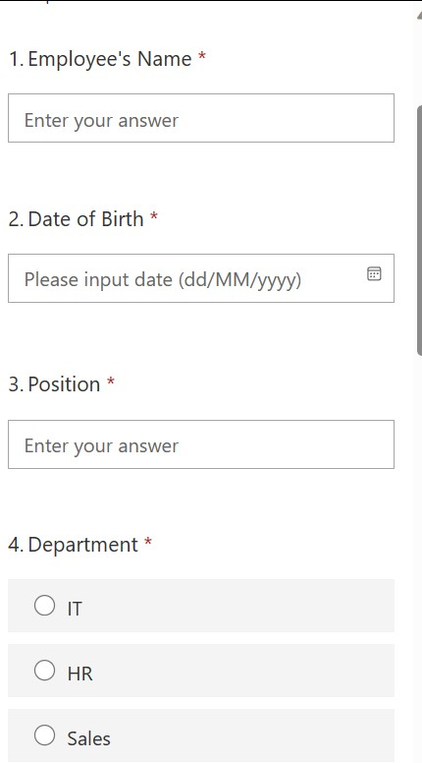

Form URL: https://forms.office.com/e/v6Dk1WgcNF
You can fill in as many data as you want using the google form

